Sheet1
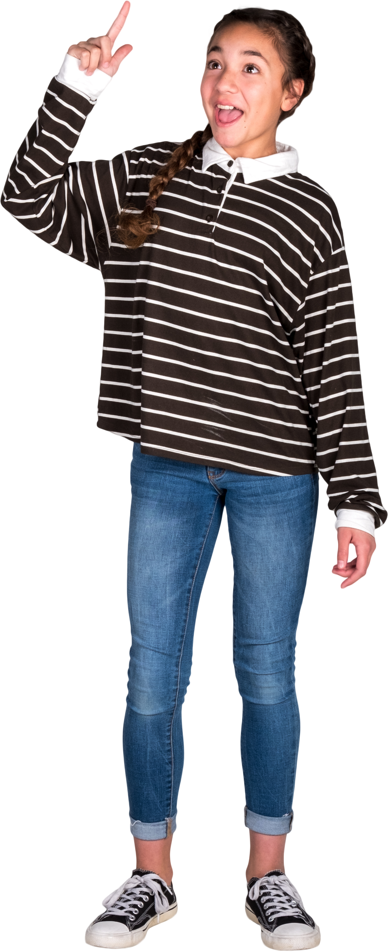
First Ladies | Answer Expected
Abigail Adams | q
Abigail Fillmore | x
Anna Harrison | z
Barbara Bush
Bess Truman
Betty Ford
Caroline Harrison
Dolley Madison
Edith Roosevelt
Edith Wilson
Find the missing English Alphabets from First Ladies column.
Eleanor Roosevelt
E. Johnson
E. Monroe
Ellen Arthur
Ellen Wilson
Florence Harding
Frances Cleveland
Grace Coolidge
Hannah Van Buren
Harriet Lane
Helen Taft
Hillary Rodham Clinton
Ida McKinley
J. Kennedy
Jane Pierce
Jill Biden
Julia Grant
Julia Tyler
Lady Bird Johnson
Laura Welch Bush
Letitia Tyler
Lou Hoover
Louisa Adams
Lucretia Garfield
Lucy Hayes
Mamie Eisenhower
Margaret Taylor
Martha Jefferson
Martha Washington
Mary Todd Lincoln
Melania Trump
Michelle Obama
Nancy Reagan
Pat N.
Rachel Jackson
Rosalynn Carter
Sarah Polk

